CF ADV 1
Month | EMP CODE | EmpName | Productivity |  | 1 | 5
Jan | INZ101 | Sameena Rafiq | 691
Feb | INZ102 | Pawan Saini | 536
Mar | INZ103 | Manoj Kumar Singh | 517
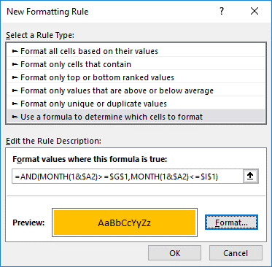
Apr | INZ104 | BHAGAT SINGH DHANKA | 347
May | INZ105 | Devender Gusain | 335
Jun | INZ106 | Ishu Tiwari | 433
Jul | INZ107 | Jayanta Bhattacharya | 384 | TRUE
Aug | INZ108 | Virender Negi | 810
Sep | INZ109 | Kishan Mishra | 749
Oct | INZ110 | Ankit Jindal | 506
Nov | INZ111 | Subrata Ghosh | 861
Dec | INZ112 | Dolly Maurya | 554

CF ADV 2
Month | EMP CODE | EmpName | Productivity |  | 1
Jan | INZ 113 | Bhawna Prajapati | 864 |  |  | TRUE
Feb | INZ 114 | Situ Sahoo | 973 | 1 | TRUE | FALSE
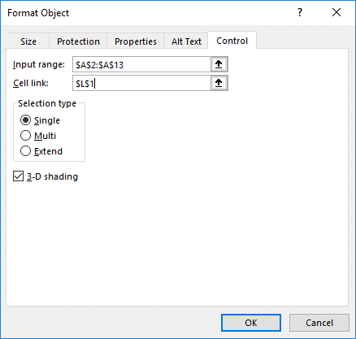
Mar | INZ 115 | Sandeep Aswal | 943 |  |  | FALSE
Apr | INZ 116 | Manvir Singh | 882 |  |  | FALSE
May | INZ 117 | John Frank | 352 |  |  | FALSE
Jun | INZ 118 | Rakesh Gupta | 487 |  |  | FALSE
Jul | INZ 119 | Hariom Mishra | 890 |  |  | FALSE
Aug | INZ 120 | Vasimuddin Sheikh | 392 |  |  | FALSE
Sep | INZ 121 | M Aashir | 905 |  |  | FALSE
Oct | INZ 122 | Kishor Panara | 683 |  |  | FALSE
Nov | INZ 123 | rajdeep Saha | 836 |  |  | FALSE
Dec | INZ 124 | Arun Sandhu | 911 |  |  | FALSE

